Industry Share
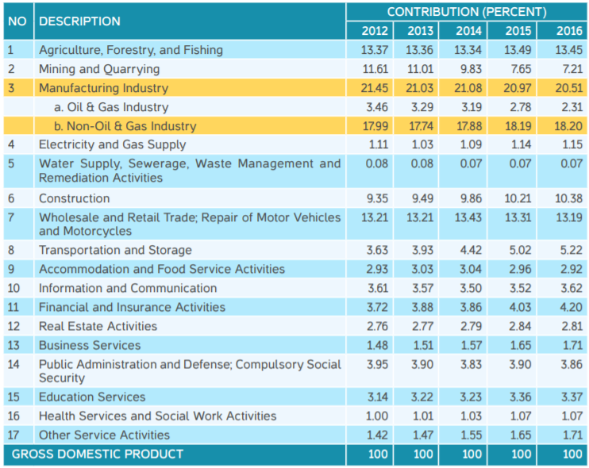
Share | Industry Category
0.8933 | non-energy industries
0.0115 | electricity suppliers
0.0721 | coal suppliers
0.0231 | natural gas and petroleum suppliers
0.0000 | biomass and biofuel suppliers
0 | other energy suppliers

Ships
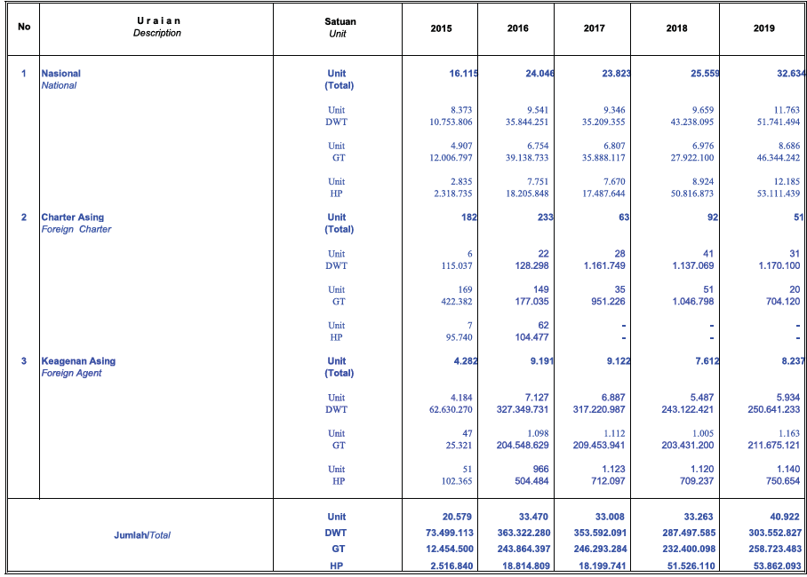
Number of ship units by ownership (2019)
 | Units | Notes
National | 32222 | divided further for freight vs passenger and ownership
Foreign Charter | 51 | freight
Foreign Agent | 8237 | freight
ASDP (government) | 412 | passenger ferries owned by PT ASDP

 | Subscripts | Meaning in Model | # Owned by Govt | # Owned by Industry | # Owned by Consumers | # Owned by Foreign entities
 | ships, passenger | recreational boats | 900 | 1322 | 0 | 0
 | ships, freight | all other ships | 27406 | 412 | 0 | 8649

 | Jumlah Armada Angkatan Laut Menurut Jenis Pelayaran
 | Number of Ocean Liners by Type of Service
 | Tabel/table | A.2.1.02 | Page 2-2

 | No | Uraian | Satuan | 2014 | 2015 | 2016 | 2017 | 2018 | 2019
 |  | Description | Unit |  |  |  |  |  |  | freight | 30825
 | 1 | Angkatan Laut (Pelayaran) | Unit | 12300 | 14231 | 21866 | 21644 | 23622 | 27367 | passenger | 1809
 |  | Shipping | Units
 | 2 | Pelayaran Rakyat | Unit | 1357 | 1371 | 1384 | 1516 | 1516 | 1649
 |  | Traditional Fleet | Units
 | 3 | Perintis | Unit | 86 | 60 | 68 | 89 | 160 | 160
 |  | Pioneer | Units
 | 4 | Angkatan Laut Khusus | Unit | 1856 | 1911 | 2180 | 2179 | 1937 | 3458
 |  | Special Shipping | Units
 | Total |  | Unit | 15599 | 17573 | 25498 | 25428 | 27235 | 32634

 | Jumlah Armada Angkutan Laut menurut Perusahaan Pelayaran BUMN
 | Number of Ships by State Owned Shipping Agents Enterprises Liners
 | Tabel/Table | A.2.1.03 | Page 2-3

 | No | Uraian | Satuan | 2014 | 2015 | 2016 | 2017 | 2018 | 2019
 |  | Description | Unit |  |  |  |  |  |  | freight | 39
 | 1 | PT Pelni |  |  |  |  |  |  |  | passenger | 26
 |  | Kapal Penumpang | Unit | 25 | 25 | 26 | 26 | 26 | 26
 |  | Passenger Fleet | Units
 |  | Kapal Barang | Unit | 3 | 3 | 8 | 8 | 8 | 8
 |  | Goods Fleet | Units
 | 2 | PT Djakarta Lloyd
 |  | Kapal barang | Unit | 16 | 16 | 17 | 17 | 17 | 18
 |  | Goods Fleet | Units
 | 3 | PT Bahtera Adhiguna
 |  | Kapal barang | Unit | 8 | 8 | 24 | 19 | 13 | 13
 |  | Goods Fleet | Units
 | Total |  | Unit | 44 | 44 | 51 | 51 | 51 | 52

 | Jumlah Armada Kapal Negara Kenavigasian
 | Number of National Navigation Ships Fleet
 | Tabel/Table | A.2.4.01 | Page 2-22

 | Tahun / Year | 2014 | 2015 | 2016 | 2017 | 2018 | 2019
 | Jumlah | 63 | 63 | 67 | 75 | 75 | 75

 | Jumlah Armada Kapal Patroli Kesatuan Penjagaan Laut dan Pantai Menurut Kelas Kapal
 | Number of Coast Guard and Rescue Patrol Boats by Classification
 | Tabel / Table | A.2.5.03 | Page 2-38

 | No | Uraian | Satuan | 2014 | 2015 | 2016 | 2017 | 2018 | 2019
 |  | Description | Unit
 | 1 | Kelas I | Unit | 7 | 7 | 7 | 7 | 7 | 7
 | 2 | Kelas II | Unit | 9 | 13 | 15 | 15 | 15 | 15
 | 3 | Kelas III | Unit | 50 | 50 | 59 | 59 | 59 | 54
 | 4 | Kelas IV | Unit | 59 | 69 | 69 | 69 | 69 | 65
 | 5 | Kelas V | Unit | 206 | 241 | 245 | 245 | 245 | 246
 | Jumlah / Total |  | Unit | 331 | 380 | 395 | 395 | 395 | 387

